5. Prod. Report Instructions
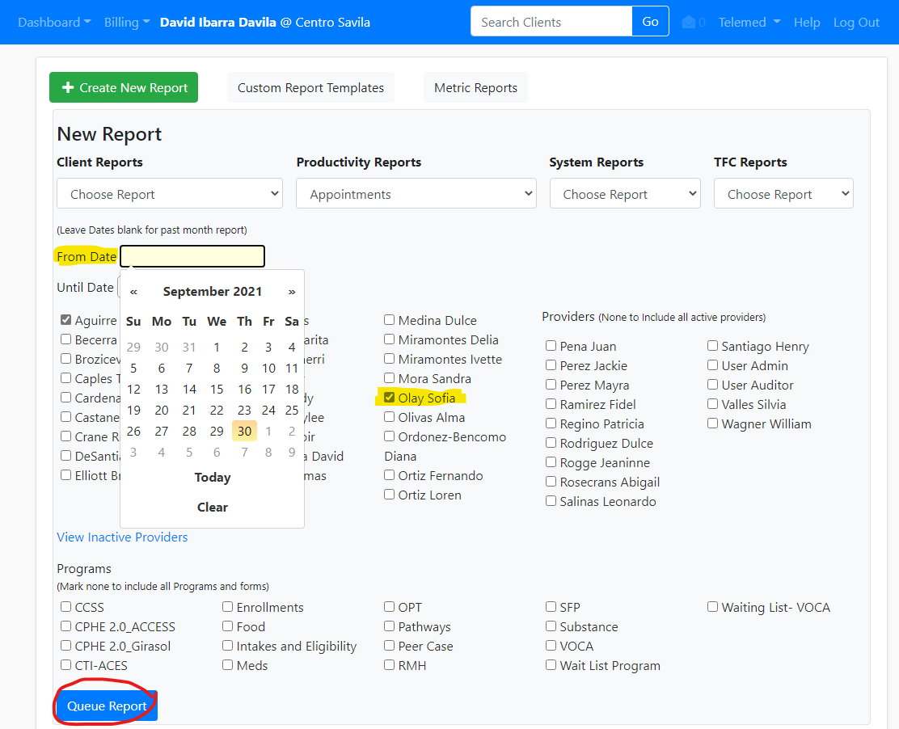
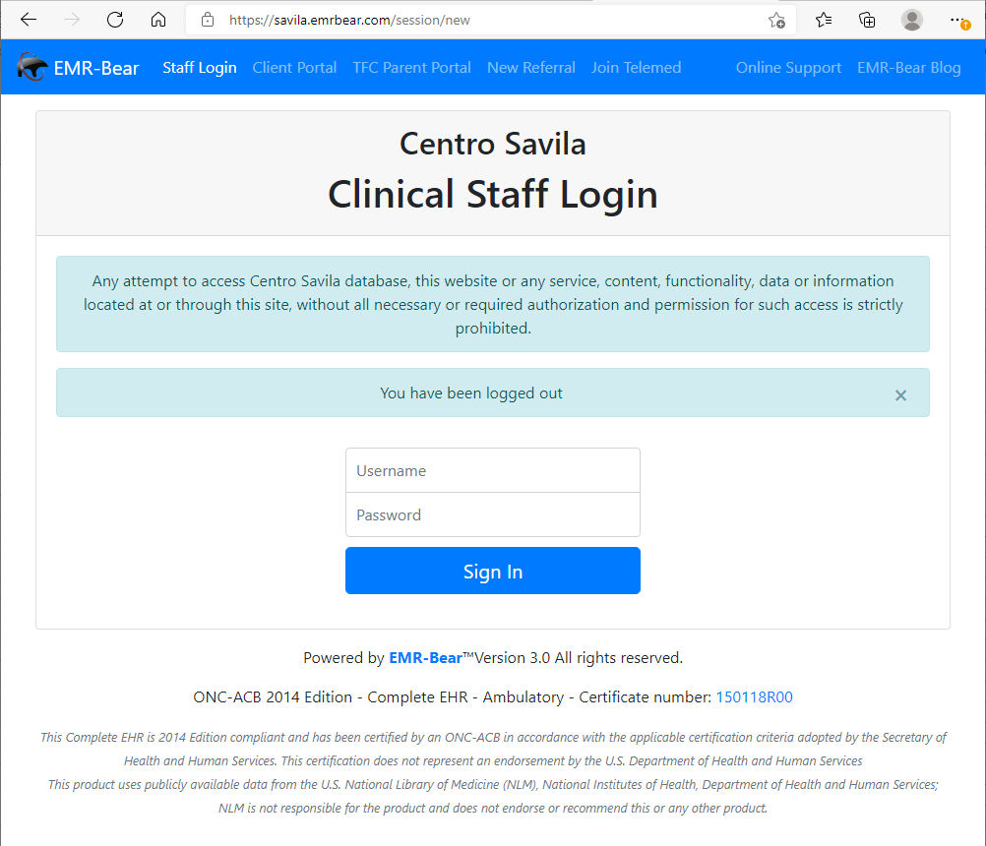
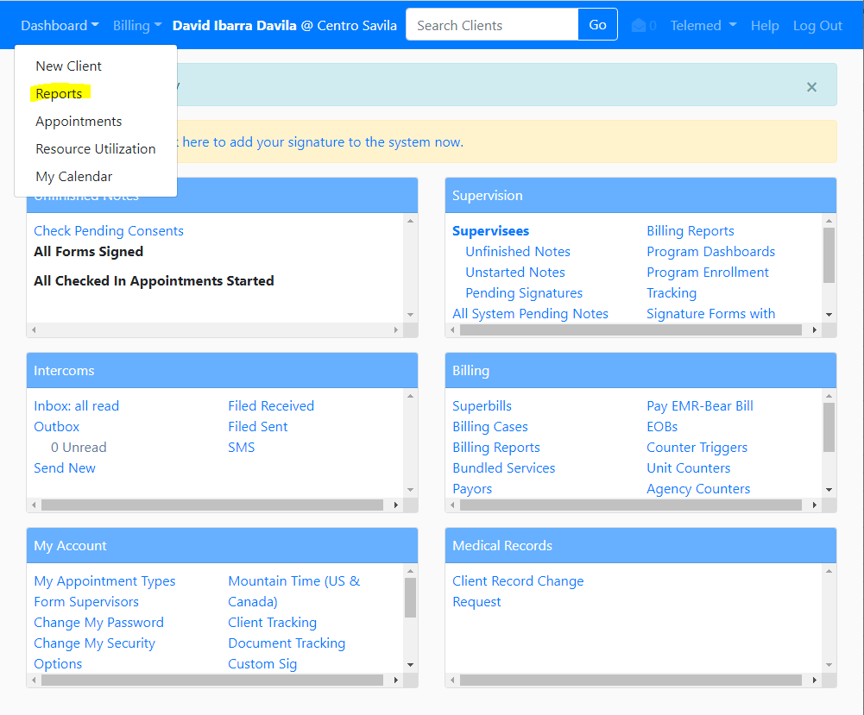
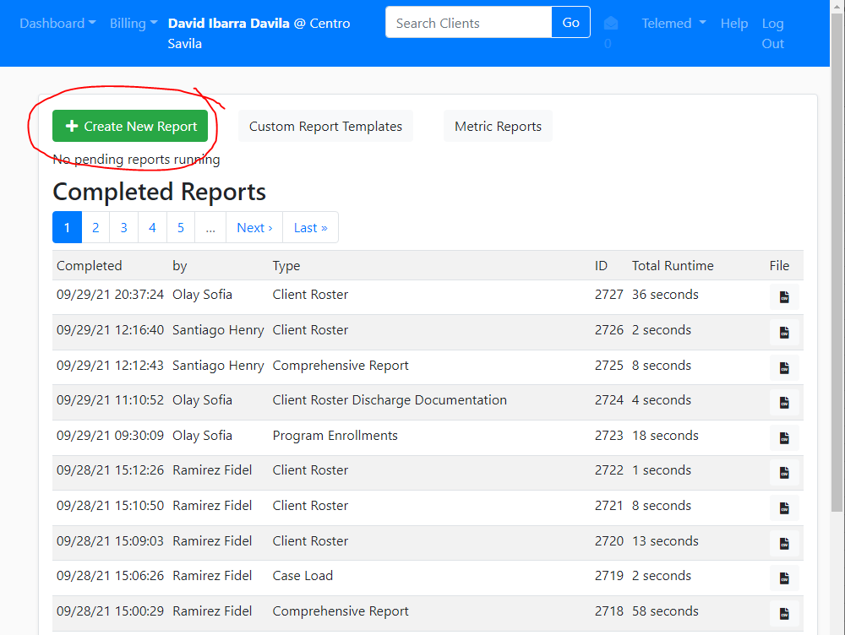
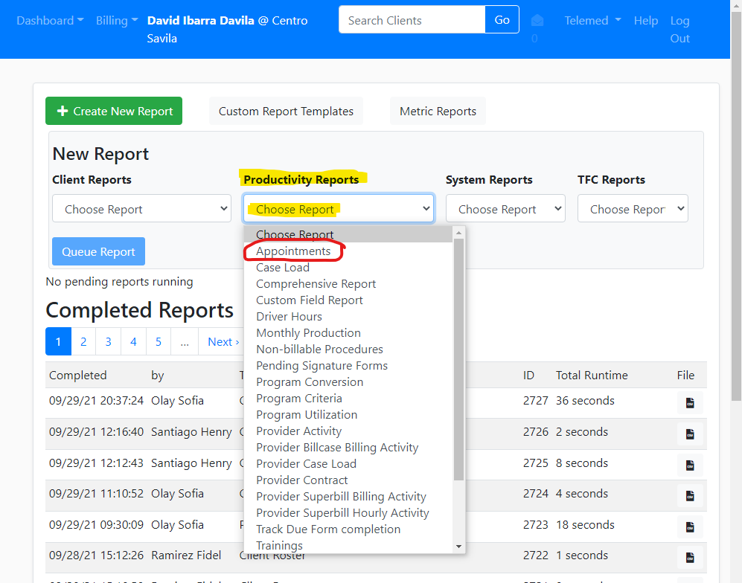
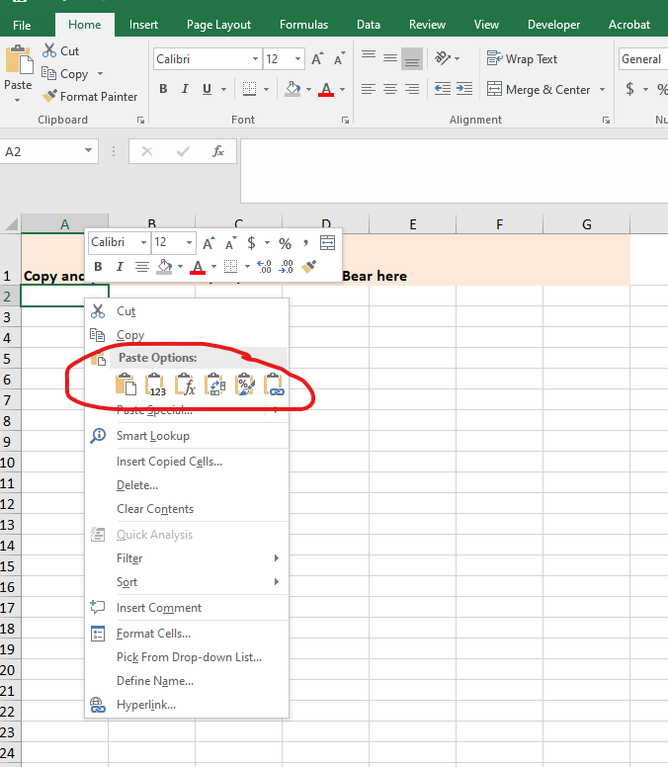

Under 'Dashboard,' click on 'Reports'
Then click on 'Create New Report'
Log into EMR-Bear with your Credentials
Under 'Productivity Reports,' click on 'Choose Report,' then click on 'Appointments'

Once you've successfully pasted your Productivity Report, save your timesheet with "FIRST&LASTNAME_BEGINNING&ENDDATE" and send to time@centrosavila.com and CC your supervisor to be reviewed
Enter the dates that match the dates of the current pay period (dates should match your timesheet)
Wait a few seconds while your report populates, then you'll see it listed at the top of your 'Completed Reports,' after which you can click 'Download' which will save your report as a CSV file on your computer

Open your timesheet, and under the 4th tab (4. Productivity Report), right click on a cell and Paste the cells you have saved on your Clipboard

Select your name, then scroll to the bottom
*please note that although two names are selected, you should only select your name

Locate and open your downloaded CSV file, then highlight the cells you'll need and click 'Copy' to save them to your Clipboard

Click on 'Queue Report' to download your Productivity Report

